APP-Backend
Test Case ID | Steps | Action | Expected Result | Actual result | Status | Required ID | Technique used
Pre Req. | 1. Open Main_App_Runner terminal
TC_Main_App_001 | Test Verification of the credentials of the Admin with valid inputs
 | 1.1 | Enter 0 to log as admin Mohamed Tarek | System should move to admin window and ask for the secret token | System moved to admin window and asked for the secret token | Passed | REQ3.1 | Black Box technique
 | 1.2 | Enter the token (10203040) | System should accept the token and move to main admin page | System accepted the token and moved to main admin page | Passed
TC_Main_App_002 | Test Verification of the credentials of the Admin with invalid token for three Trials
 | 2.1 | Enter 0 to log as admin Mohamed Tarek | System should move to admin window and ask for the secret token | System moved to admin window and asked for the secret token | Passed | REQ3.1 | Black Box technique
 | 2.2 | Enter wrong token (11223344) | System should ask you to renter the secret token | System asked to renter the secret token | Passed
 | 2.3 | Renter wrong token (11223344) | System should ask you to renter the secret token | System asked to renter the secret token | Passed
 | 2.4 | Renter wrong token (11223344) | Software should close | Software showed warning message but did not close | Failed
 | 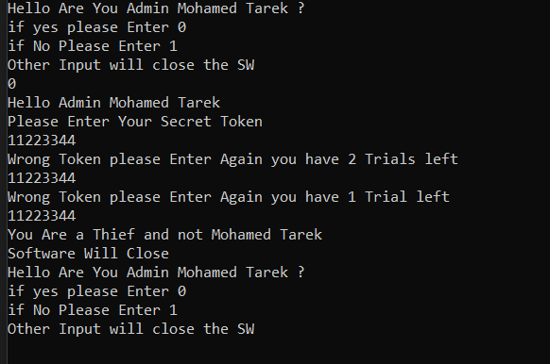

TC_Main_App_003 | Test Verification of the credentials of the Admin with invalid token just for first Trial
 | 3.1 | Enter 0 to log as admin Mohamed Tarek | System should move to admin window and ask for the secret token | System moved to admin window and asked for the secret token | Passed | REQ3.1 | Black Box technique
 | 3.2 | Enter wrong token (11223344) | System should ask you to renter the secret token | System asked to renter the secret token | Passed
 | 3.3 | Renter the token (10203040) | System should accept the token and move to main admin page | System accepted the token and moved to main admin page | Passed
TC_Main_App_004 | Test enter system as user
 | 4.1 | Enter 1 to log as User | System should move to user windw | System moved to user window | Passed | REQ3.1 | Black Box technique
TC_Main_App_005 | Test enter system with wrong input (integer)
 | 5.1 | Enter 5 to system | Software should close | Software closed | Passed | REQ3.1 | Black Box technique
TC_Main_App_006 | Test enter system with wrong input(Char)
 | 6.1 | Enter H to system | Software should close | Software did not close and made unexpected behavior | Failed | REQ3.1 | Black Box technique
 | 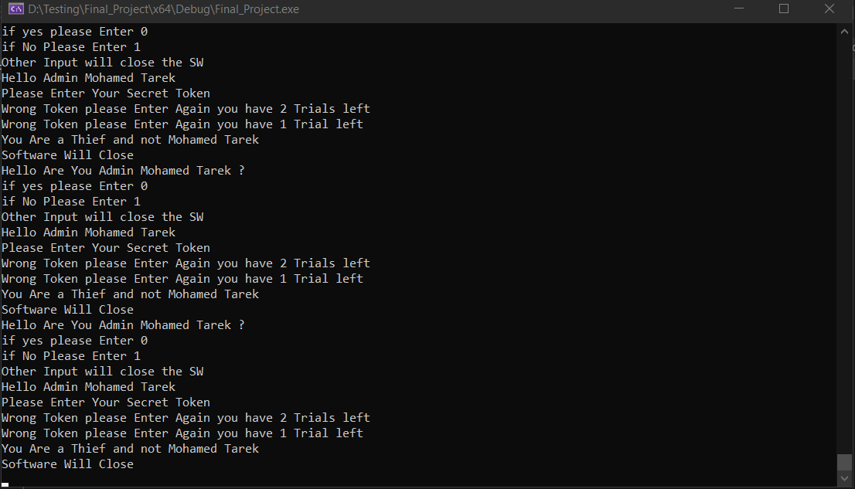

Pre Req. | 1. Open Main_App_Runner terminal 2. Enter 1 to act as customer
TC_Customer_page_001 | Test Customer page functionality with valid input
 | 1.1 | Enter L to move to login Window | Software should move to Login page and ask for user information | Software moved to Login page and asked for user information | Passed | REQ3.2.b | Black Box technique
TC_Customer_page_002 | Test Customer page functionality with valid input
 | 2.1 | Enter C to move to create account window | Software should move to create account and ask for the new user information | Software moved to create account window and asked for the newuser information | Passed | REQ3.2.b | Black Box technique
TC_Customer_page_003 | Test Customer page functionality with invalid input
 | 3.1 | Enter invalid input (A) | Software should not move to anthor window and ask for try again | Software printed "wrong input" and asked to try again | Passed | REQ3.2.b | Black Box technique

Pre Req. | 1. Open Main_App_Runner terminal 2. Enter 1 to act as customer 3. Enter L to load Login page
TC_User_login_001 | Test Login functionality with valid inputs
 | 1.1 | Enter valid Username (AdminUser1) | System should ask for Password | System asked to enter password | Passed | REQ3.2.b | Black Box technique
 | 1.2 | Enter correct Password (Edges123) | System should move the user page | System moved to user page | Passed
TC_User_login_002 | Test Login functionality with wrong password
 | 2.1 | Enter valid Username (AdminUser1) | System should ask for Password | System asked to enter password | Passed | REQ3.2.b | Black Box technique
 | 2.2 | Enter wrong Password (11223344) | System should ask you to renter the Password | System asked to renter the Password | Passed
 | 2.3 | Renter wrong Password (11223344) | System should ask you to renter the Password | System asked to renter the Password | Passed
 | 2.4 | Renter wrong Password (11223344) | User Login page should close | Software showed warning message that the user will be deleted and login page closed | Passed
TC_User_login_003 | Test AdminUser1 deletion
 | 3.1 | Renter Username (AdminUser1) | System should ask for Password | System asked to enter password | Passed | REQ3.2.b | Black Box technique
 | 3.2 | Enter correct Password (Edges123) | Software should print that username doesn't exist | System moved to user page | Failed
TC_User_login_004 | Test Login functionality with wrong password with spaces
 | 2.1 | Enter valid Username (AdminUser1) | System should ask for Password | System asked to enter password | Passed | REQ3.2.b | Black Box technique
 | 2.2 | Enter wrong Password (w w) | System should ask you to renter the Password | Software exhibited unexpected behavior | Failed
 | 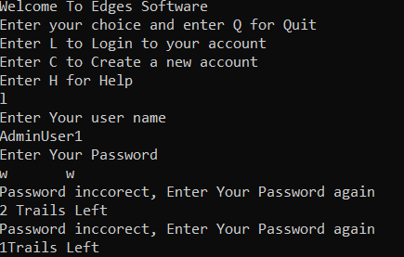

TC_User_login_005 | Test Login functionality with invalid Username
 | 5.1 | Enter invalid Username (AdminUser34) | System should ask for Password | System asked to enter password | Passed | REQ3.2.b | Black Box technique
 | 5.2 | Enter any Password (Edges4567) | System should print that userName doesn't exist | System printed that userName doesn't exist | Passed

Create-Delete
Test Case ID | Steps | Action | Expected Result | Actual result | Status | Required ID | Technique used
Pre Req. | 1. Open Main_App_Runner terminal 2. Enter 1 to act as normal user 3. Enter C to open create account window
TC_Create_Account_001 | Test create account functionality By User with valid data
 | 1.1 | Enter valid first name "Nehal" | System should accept first name and ask for the following data to be entered | System accepted first name and asked for the age to be entered | Passed | REQ2.2.a | Black Box technique
 | 1.2 | Enter valid age(24) | System should accept age and ask for the following data to be entered | System accepted age and asked for the date of birth to be entered | Passed
 | 1.3 | Enter valid date of birth in required format (01 -> enter -> 12 -> Enter -> 2000 -> Enter) | System should accept date of birth and ask for the following data to be entered | System accepted date of birth and asked for the Educational Status to be entered | Passed
 | 1.4 | Enter 3 to choose valid Educational Status (Graduate) | System should accept Educational Status and ask for the following data to be entered | System accepted Educational Status and asked for the Gender to be entered | Passed
 | 1.5 | Enter 2 to choose valid option of Gender (Female) | System should accept Gender and ask for the following data to be entered | System accepted Gender and asked for the Username to be entered | Passed
 | 1.6 | Enter valid Username "NehalAllam" | System should accept Username and ask for the following data to be entered | System accepted Username and asked for the age to be entered | Passed
 | 1.7 | Enter valid password "Nehal12345" | System should accept password and ask for the following data to be entered | System accepted password and asked for renter password | Passed
 | 1.8 | Renter the password "Nehal12345" | User Added Successfully | User Added Successfully | Passed
TC_Create_Account_002 | Test create account functionality By User with invalid UserName
 | 2.1 | Enter Invalid first name "N" | System should not accept first name data | System accepted first name and asked for the age to be entered | Failed | REQ2.2.a | Black Box technique
 | 2.2 | Enter valid age(24) | System should accept age and ask for the following data to be entered | System accepted age and asked for the date of birth to be entered | Passed
 | 2.3 | Enter valid date of birth in required format (01 -> enter -> 12 -> Enter -> 2000 -> Enter) | System should accept date of birth and ask for the following data to be entered | System accepted date of birth and asked for the Educational Status to be entered | Passed
 | 2.4 | Enter 3 to choose valid Educational Status (Graduate) | System should accept Educational Status and ask for the following data to be entered | System accepted Educational Status and asked for the Gender to be entered | Passed
 | 2.5 | Enter 2 to choose valid option of Gender (Female) | System should accept Gender and ask for the following data to be entered | System accepted Gender and asked for the Username to be entered | Passed
 | 2.6 | Enter valid Username "NehalAllam" | System should accept Username and ask for the following data to be entered | System accepted Username and asked for the age to be entered | Passed
 | 2.7 | Enter valid password "Nehal12345" | System should accept password and ask for the following data to be entered | System accepted password and asked for renter password | Passed
 | 2.8 | Renter the password "Nehal12345" | Wrong Inputs | Wrong Inputs | Passed
TC_Create_Account_003 | Test create account functionality By User with invalid Age
 | 3.1 | Enter valid first name "Nehal" | System should accept first name and ask for the following data to be entered | System accepted first name and asked for the age to be entered | Passed | REQ2.2.a | Black Box technique
 | 3.2 | Enter invalid age(-2) | System should not accept age | System accepted age and asked for the date of birth to be entered | Failed
 | 3.3 | Enter valid date of birth in required format (01 -> enter -> 12 -> Enter -> 2000 -> Enter) | System should accept date of birth and ask for the following data to be entered | System accepted date of birth and asked for the Educational Status to be entered | Passed
 | 3.4 | Enter 3 to choose valid Educational Status (Graduate) | System should accept Educational Status and ask for the following data to be entered | System accepted Educational Status and asked for the Gender to be entered | Passed
 | 3.5 | Enter 2 to choose valid option of Gender (Female) | System should accept Gender and ask for the following data to be entered | System accepted Gender and asked for the Username to be entered | Passed
 | 3.6 | Enter valid Username "NehalAllam" | System should accept Username and ask for the following data to be entered | System accepted Username and asked for the age to be entered | Passed
 | 3.7 | Enter valid password "Nehal12345" | System should accept password and ask for the following data to be entered | System accepted password and asked for renter password | Passed
 | 3.8 | Renter the password "Nehal12345" | Wrong Inputs | Wrong Inputs | Passed
TC_Create_Account_004 | Test create account functionality By User with invalid Age
 | 4.1 | Enter valid first name "Nehal" | System should accept first name and ask for the following data to be entered | System accepted first name and asked for the age to be entered | Passed | REQ2.2.a | Black Box technique
 | 4.2 | Enter invalid data for age (a) | System should not accept age | System didn't accept the data and made unexpected behvior | Passed
 | 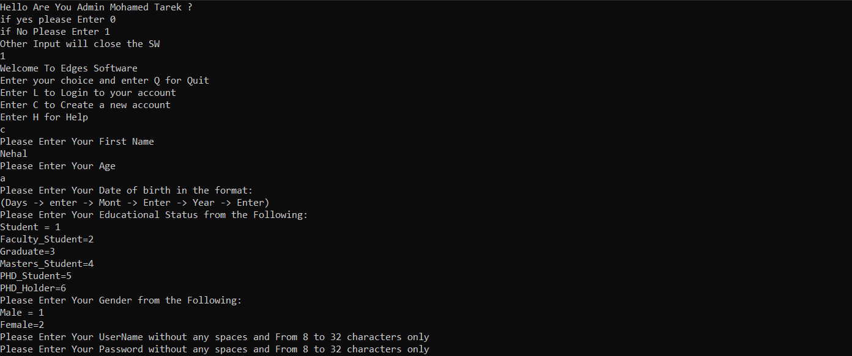

TC_Create_Account_005 | Test create account functionality By User with invalid date of birth
 | 5.1 | Enter valid first name "Nehal" | System should accept first name and ask for the following data to be entered | System accepted first name and asked for the age to be entered | Passed | REQ2.2.a | Black Box technique
 | 5.2 | Enter valid age(24) | System should accept age and ask for the following data to be entered | System accepted age and asked for the date of birth to be entered | Passed
 | 5.3 | Enter invalid date of birth in required format (00 -> enter -> 00 -> Enter -> 0000 -> Enter) | System should not accept date of birth | System accepted date of birth and asked for the Educational Status to be entered | Failed
 | 5.4 | Enter 3 to choose valid Educational Status (Graduate) | System should accept first name and ask for the following data to be entered | System accepted Educational Status and asked for the Gender to be entered | Passed
 | 5.5 | Enter 2 to choose valid option of Gender (Female) | System should accept Gender and ask for the following data to be entered | System accepted Gender and asked for the Username to be entered | Passed
 | 5.6 | Enter valid Username "NehalAllam" | System should accept Username and ask for the following data to be entered | System accepted Username and asked for the age to be entered | Passed
 | 5.7 | Enter valid password "Nehal12345" | System should accept password and ask for the following data to be entered | System accepted password and asked for renter password | Passed
 | 5.8 | Renter the password "Nehal12345" | Wrong Inputs | Wrong Inputs | Passed
TC_Create_Account_006 | Test create account functionality By User with invalid Eductional Statu
 | 6.1 | Enter valid first name "Nehal" | System should accept first name and ask for the following data to be entered | System accepted first name and asked for the age to be entered | Passed | REQ2.2.a | Black Box technique
 | 6.2 | Enter valid age(24) | System should accept age and ask for the following data to be entered | System accepted age and asked for the date of birth to be entered | Passed
 | 6.3 | Enter valid date of birth in required format (01 -> enter -> 12 -> Enter -> 2000 -> Enter) | System should accept date of birth and ask for the following data to be entered | System accepted date of birth and asked for the Educational Status to be entered | Passed
 | 6.4 | Enter 8 to choose invalid Educational Status | System should not accept Educational Status | System accepted Educational Status and asked for the Gender to be entered | Failed
 | 6.5 | Enter 2 to choose valid option of Gender (Female) | System should accept Gender and ask for the following data to be entered | System accepted Gender and asked for the Username to be entered | Passed
 | 6.6 | Enter valid Username "NehalAllam" | System should accept Username and ask for the following data to be entered | System accepted Username and asked for the age to be entered | Passed
 | 6.7 | Enter valid password "Nehal12345" | System should accept password and ask for the following data to be entered | System accepted password and asked for renter password | Passed
 | 6.8 | Renter the password "Nehal12345" | Wrong Inputs | Wrong Inputs | Passed
TC_Create_Account_007 | Test create account functionality By User with invalid Gender
 | 7.1 | Enter valid first name "Nehal" | System should accept first name and ask for the following data to be entered | System accepted first name and asked for the age to be entered | Passed | REQ2.2.a | Black Box technique
 | 7.2 | Enter valid age(24) | System should accept age and ask for the following data to be entered | System accepted age and asked for the date of birth to be entered | Passed
 | 7.3 | Enter valid date of birth in required format (01 -> enter -> 12 -> Enter -> 2000 -> Enter) | System should accept date of birth and ask for the following data to be entered | System accepted date of birth and asked for the Educational Status to be entered | Passed
 | 7.4 | Enter 3 to choose valid Educational Status (Graduate) | System should accept Educational Status and ask for the following data to be entered | System accepted Educational Status and asked for the Gender to be entered | Passed
 | 7.5 | Enter 3 to choose invalid Gender option | System should not accept Gender | System accepted Gender and asked for the Username to be entered | Failed
 | 7.6 | Enter valid Username "NehalAllam" | System should accept Username and ask for the following data to be entered | System accepted Username and asked for the age to be entered | Passed
 | 7.7 | Enter valid password "Nehal12345" | System should accept password and ask for the following data to be entered | System accepted password and asked for renter password | Passed
 | 7.8 | Renter the password "Nehal12345" | Wrong Inputs | Wrong Inputs | Passed
TC_Create_Account_008 | Test create account functionality By User with invalid Username
 | 8.1 | Enter valid first name "Nehal" | System should accept first name and ask for the following data to be entered | System accepted first name and asked for the age to be entered | Passed | REQ2.2.a | Black Box technique
 | 8.2 | Enter valid age(24) | System should accept age and ask for the following data to be entered | System accepted age and asked for the date of birth to be entered | Passed
 | 8.3 | Enter valid date of birth in required format (01 -> enter -> 12 -> Enter -> 2000 -> Enter) | System should accept date of birth and ask for the following data to be entered | System accepted date of birth and asked for the Educational Status to be entered | Passed
 | 8.4 | Enter 3 to choose valid Educational Status (Graduate) | System should accept Educational Status and ask for the following data to be entered | System accepted Educational Status and asked for the Gender to be entered | Passed
 | 8.5 | Enter 2 to choose valid option of Gender (Female) | System should accept Gender and ask for the following data to be entered | System accepted Gender and asked for the Username to be entered | Passed
 | 8.6 | Enter invalid Username with spaces "Nehal Allam" | System shouldnot accept Username | System did not accept Username and made unexpected behvior | Passed

TC_Create_Account_009 | Test create account functionality By User with invalid password
 | 9.1 | Enter valid first name "Nehal" | System should accept first name and ask for the following data to be entered | System accepted first name and asked for the age to be entered | Passed | REQ2.2.a | Black Box technique
 | 9.2 | Enter valid age(24) | System should accept age and ask for the following data to be entered | System accepted age and asked for the date of birth to be entered | Passed
 | 9.3 | Enter valid date of birth in required format (01 -> enter -> 12 -> Enter -> 2000 -> Enter) | System should accept date of birth and ask for the following data to be entered | System accepted date of birth and asked for the Educational Status to be entered | Passed
 | 9.4 | Enter 3 to choose valid Educational Status (Graduate) | System should accept Educational Status and ask for the following data to be entered | System accepted Educational Status and asked for the Gender to be entered | Passed
 | 9.5 | Enter 2 to choose valid option of Gender (Female) | System should accept Gender and ask for the following data to be entered | System accepted Gender and asked for the Username to be entered | Passed
 | 9.6 | Enter valid Username "NehalAllam" | System should accept Username and ask for the following data to be entered | System accepted Username and asked for the age to be entered | Passed
 | 9.7 | Enter invalid password less than 8 char "Nehal" | System should not accept password | System accepted password and asked for renter password | Failed
 | 9.8 | Renter the password "Nehal" | Wrong Inputs | Wrong Inputs | Passed
TC_Create_Account_010 | Test create account functionality By User with dismatch password
 | 10.1 | Enter valid first name "Nehal" | System should accept first name and ask for the following data to be entered | System accepted first name and asked for the age to be entered | Passed | REQ2.2.a | Black Box technique
 | 10.2 | Enter valid age(24) | System should accept age and ask for the following data to be entered | System accepted age and asked for the date of birth to be entered | Passed
 | 10.3 | Enter valid date of birth in required format (01 -> enter -> 12 -> Enter -> 2000 -> Enter) | System should accept date of birth and ask for the following data to be entered | System accepted date of birth and asked for the Educational Status to be entered | Passed
 | 10.4 | Enter 3 to choose valid Educational Status (Graduate) | System should accept Educational Status and ask for the following data to be entered | System accepted Educational Status and asked for the Gender to be entered | Passed
 | 10.5 | Enter 2 to choose valid option of Gender (Female) | System should accept Gender and ask for the following data to be entered | System accepted Gender and asked for the Username to be entered | Passed
 | 10.6 | Enter valid Username "NehalAllam" | System should accept Username and ask for the following data to be entered | System accepted Username and asked for the age to be entered | Passed
 | 10.7 | Enter valid password "Nehal12345" | System should accept password and ask for the following data to be entered | System accepted password and asked for renter password | Passed
 | 10.8 | Renter the password "Nehal12789" | Wrong Inputs | Wrong Inputs | Passed
TC_Create_Account_011 | Test create account functionality By Add User with EXISTING Username and password
 | 11.1 | Enter valid first name "Ahmed" | System should accept first name and ask for the following data to be entered | System accepted first name and asked for the age to be entered | Passed | REQ2.2.a | Black Box technique
 | 11.2 | Enter valid age(23) | System should accept age and ask for the following data to be entered | System accepted age and asked for the date of birth to be entered | Passed
 | 11.3 | Enter valid date of birth in required format (01 -> enter -> 02 -> Enter -> 2001 -> Enter) | System should accept date of birth and ask for the following data to be entered | System accepted date of birth and asked for the Educational Status to be entered | Passed
 | 11.4 | Enter 2 to choose valid Educational Status (Student) | System should accept Educational Status and ask for the following data to be entered | System accepted Educational Status and asked for the Gender to be entered | Passed
 | 11.5 | Enter 1 to choose valid option of Gender (Male) | System should accept Gender and ask for the following data to be entered | System accepted Gender and asked for the Username to be entered | Passed
 | 11.6 | Enter valid Username "AdminUser1" | System should accept Username and ask for the following data to be entered | System accepted Username and asked for the age to be entered | Passed
 | 11.7 | Enter valid password "Edges123" | System should accept password and ask for the following data to be entered | System accepted password and asked for renter password | Passed
 | 11.8 | Renter the password "Edges123" | User should not be added | User has been Added | Failed
TC_Create_Account_012 | Test Boundries of create account functionality By entering first name with 3 charecters
 | 12.1 | Enter valid first name "Aya" | System should accept first name and ask for the following data to be entered | System accepted first name and asked for the age to be entered | Passed | REQ2.2.a | Black Box technique
 | 12.2 | Enter valid age(24) | System should accept age and ask for the following data to be entered | System accepted age and asked for the date of birth to be entered | Passed
 | 12.3 | Enter valid date of birth in required format (01 -> enter -> 12 -> Enter -> 2000 -> Enter) | System should accept date of birth and ask for the following data to be entered | System accepted date of birth and asked for the Educational Status to be entered | Passed
 | 12.4 | Enter 3 to choose valid Educational Status (Graduate) | System should accept Educational Status and ask for the following data to be entered | System accepted Educational Status and asked for the Gender to be entered | Passed
 | 12.5 | Enter 2 to choose valid option of Gender (Female) | System should accept Gender and ask for the following data to be entered | System accepted Gender and asked for the Username to be entered | Passed
 | 12.6 | Enter valid Username "AyaaAllam" | System should accept Username and ask for the following data to be entered | System accepted Username and asked for the age to be entered | Passed
 | 12.7 | Enter valid password "Ayaa12345" | System should accept password and ask for the following data to be entered | System accepted password and asked for renter password | Passed
 | 12.8 | Renter the password "Ayaa12345" | User Added Successfully | User Added Successfully | Passed
TC_Create_Account_013 | Test Boundries of create account functionality By entering Username with 8 charecters
 | 13.1 | Enter valid first name "Bassant" | System should accept first name and ask for the following data to be entered | System accepted first name and asked for the age to be entered | Passed | REQ2.2.a | Black Box technique
 | 13.2 | Enter valid age(24) | System should accept age and ask for the following data to be entered | System accepted age and asked for the date of birth to be entered | Passed
 | 13.3 | Enter valid date of birth in required format (01 -> enter -> 12 -> Enter -> 2000 -> Enter) | System should accept date of birth and ask for the following data to be entered | System accepted date of birth and asked for the Educational Status to be entered | Passed
 | 13.4 | Enter 3 to choose valid Educational Status (Graduate) | System should accept Educational Status and ask for the following data to be entered | System accepted Educational Status and asked for the Gender to be entered | Passed
 | 13.5 | Enter 2 to choose valid option of Gender (Female) | System should accept Gender and ask for the following data to be entered | System accepted Gender and asked for the Username to be entered | Passed
 | 13.6 | Enter valid Username "Bassant22" | System should accept Username and ask for the following data to be entered | System accepted Username and asked for the age to be entered | Passed
 | 13.7 | Enter valid password "Bassant22345" | System should accept password and ask for the following data to be entered | System accepted password and asked for renter password | Passed
 | 13.8 | Renter the password "Bassant22345" | User Added Successfully | User Added Successfully | Passed
TC_Create_Account_014 | Test Boundries of create account functionality By entering Username with 32 charecters
 | 14.1 | Enter valid first name "Bassant" | System should accept first name and ask for the following data to be entered | System accepted first name and asked for the age to be entered | Passed | REQ2.2.a | Black Box technique
 | 14.2 | Enter valid age(24) | System should accept age and ask for the following data to be entered | System accepted age and asked for the date of birth to be entered | Passed
 | 14.3 | Enter valid date of birth in required format (01 -> enter -> 12 -> Enter -> 2000 -> Enter) | System should accept date of birth and ask for the following data to be entered | System accepted date of birth and asked for the Educational Status to be entered | Passed
 | 14.4 | Enter 3 to choose valid Educational Status (Graduate) | System should accept Educational Status and ask for the following data to be entered | System accepted Educational Status and asked for the Gender to be entered | Passed
 | 14.5 | Enter 2 to choose valid option of Gender (Female) | System should accept Gender and ask for the following data to be entered | System accepted Gender and asked for the Username to be entered | Passed
 | 14.6 | Enter valid Username "BassantSayedAbdallahAbdelhaliem22" | System should accept Username and ask for the following data to be entered | System accepted Username and asked for the age to be entered | Passed
 | 14.7 | Enter valid password "Bassant22345" | System should accept password and ask for the following data to be entered | System accepted password and asked for renter password | Passed
 | 14.8 | Renter the password "Bassant22345" | User Added Successfully | Wrong Inputs | Failed
TC_Create_Account_015 | Test Boundries of create account functionality By entering Password with 8 charecters
 | 15.1 | Enter valid first name "Bassant" | System should accept first name and ask for the following data to be entered | System accepted first name and asked for the age to be entered | Passed | REQ2.2.a | Black Box technique
 | 15.2 | Enter valid age(24) | System should accept age and ask for the following data to be entered | System accepted age and asked for the date of birth to be entered | Passed
 | 15.3 | Enter valid date of birth in required format (01 -> enter -> 12 -> Enter -> 2000 -> Enter) | System should accept date of birth and ask for the following data to be entered | System accepted date of birth and asked for the Educational Status to be entered | Passed
 | 15.4 | Enter 3 to choose valid Educational Status (Graduate) | System should accept Educational Status and ask for the following data to be entered | System accepted Educational Status and asked for the Gender to be entered | Passed
 | 15.5 | Enter 2 to choose valid option of Gender (Female) | System should accept Gender and ask for the following data to be entered | System accepted Gender and asked for the Username to be entered | Passed
 | 15.6 | Enter valid Username "BassantDraz" | System should accept Username and ask for the following data to be entered | System accepted Username and asked for the age to be entered | Passed
 | 15.7 | Enter valid password "Bassant22" | System should accept password and ask for the following data to be entered | System accepted password and asked for renter password | Passed
 | 15.8 | Renter the password "Bassant22" | User Added Successfully | User Added Successfully | Passed
TC_Create_Account_016 | Test Boundries of create account functionality By entering Password with 32 charecters
 | 16.1 | Enter valid first name "Bassant" | System should accept first name and ask for the following data to be entered | System accepted first name and asked for the age to be entered | Passed | REQ2.2.a | Black Box technique
 | 16.2 | Enter valid age(24) | System should accept age and ask for the following data to be entered | System accepted age and asked for the date of birth to be entered | Passed
 | 16.3 | Enter valid date of birth in required format (01 -> enter -> 12 -> Enter -> 2000 -> Enter) | System should accept date of birth and ask for the following data to be entered | System accepted date of birth and asked for the Educational Status to be entered | Passed
 | 16.4 | Enter 3 to choose valid Educational Status (Graduate) | System should accept Educational Status and ask for the following data to be entered | System accepted Educational Status and asked for the Gender to be entered | Passed
 | 16.5 | Enter 2 to choose valid option of Gender (Female) | System should accept Gender and ask for the following data to be entered | System accepted Gender and asked for the Username to be entered | Passed
 | 16.6 | Enter valid Username "BassantDraz" | System should accept Username and ask for the following data to be entered | System accepted Username and asked for the age to be entered | Passed
 | 16.7 | Enter valid password "BassantSayedAbdallahAbdelhaliem22" | System should accept password and ask for the following data to be entered | System accepted password and asked for renter password | Passed
 | 16.8 | Renter the password "BassantSayedAbdallahAbdelhaliem22" | User Added Successfully | Wrong Inputs | Failed
TC_Create_Account_017 | Test Boundries of create account functionality By entering Day of birth is 32
 | 17.1 | Enter valid first name "Nehal" | System should accept first name and ask for the following data to be entered | System accepted first name and asked for the age to be entered | Passed | REQ2.2.a | Black Box technique
 | 17.2 | Enter valid age(24) | System should accept age and ask for the following data to be entered | System accepted age and asked for the date of birth to be entered | Passed
 | 17.3 | Enter valid date of birth in required format (32 -> enter -> 12 -> Enter -> 2000 -> Enter) | System should accept date of birth and ask for the following data to be entered | System accepted date of birth and asked for the Educational Status to be entered | Passed
 | 17.4 | Enter 3 to choose valid Educational Status (Graduate) | System should accept Educational Status and ask for the following data to be entered | System accepted Educational Status and asked for the Gender to be entered | Passed
 | 17.5 | Enter 2 to choose valid option of Gender (Female) | System should accept Gender and ask for the following data to be entered | System accepted Gender and asked for the Username to be entered | Passed
 | 17.6 | Enter valid Username "NehalAllam" | System should accept Username and ask for the following data to be entered | System accepted Username and asked for the age to be entered | Passed
 | 17.7 | Enter valid password "Nehal12345" | System should accept password and ask for the following data to be entered | System accepted password and asked for renter password | Passed
 | 17.8 | Renter the password "Nehal12345" | Wrong Inputs | Wrong Inputs | Passed
TC_Create_Account_018 | Test create account functionality By User with mismatching Age
 | 18.1 | Enter valid first name "Nehal" | System should accept first name and ask for the following data to be entered | System accepted first name and asked for the age to be entered | Passed | REQ2.2.a | Black Box technique
 | 18.2 | Enter valid age(23) | System should accept age and ask for the following data to be entered | System accepted age and asked for the date of birth to be entered | Passed
 | 18.3 | Enter valid date of birth in required format (01 -> enter -> 02 -> Enter -> 2000 -> Enter) | System should accept date of birth and ask for the following data to be entered | System accepted date of birth and asked for the Educational Status to be entered | Passed
 | 18.4 | Enter 3 to choose valid Educational Status (Graduate) | System should accept Educational Status and ask for the following data to be entered | System accepted Educational Status and asked for the Gender to be entered | Passed
 | 18.5 | Enter 2 to choose valid option of Gender (Female) | System should accept Gender and ask for the following data to be entered | System accepted Gender and asked for the Username to be entered | Passed
 | 18.6 | Enter valid Username "NehalAllam" | System should accept Username and ask for the following data to be entered | System accepted Username and asked for the age to be entered | Passed
 | 18.7 | Enter valid password "Nehal12345" | System should accept password and ask for the following data to be entered | System accepted password and asked for renter password | Passed
 | 18.8 | Renter the password "Nehal12345" | User Added Successfully | User Added Successfully | Passed
 |  | 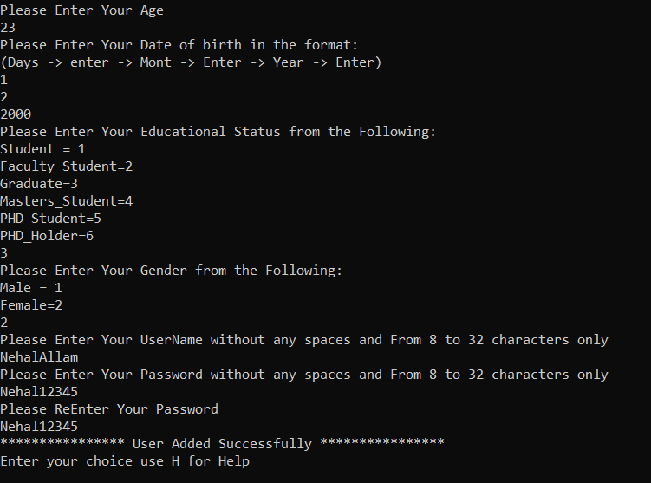

Admin page
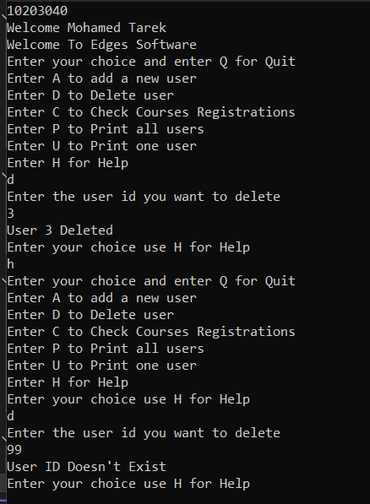
Test Case ID | Steps | Action | Expected Result | Actual result | Status | Required ID | Technique used
Pre Req. | 1. Open Main_App_Runner terminal 2. Enter 0 to act as admin 3. Enter the secret token
TC_Admin_AddUser_001 | Test Add User functionality with valid data By Admin
 | 1.1 | Enter A to add new user | System should ask for the new user data | System asked for the new user data | Passed | REQ2.1 | Black Box technique
 | 1.2 | Enter valid first name "Nehal" | System should accept first name and ask for the following data to be entered | System accepted first name and asked for the age to be entered | Passed
 | 1.3 | Enter valid age(24) | System should accept age and ask for the following data to be entered | System accepted age and asked for the date of birth to be entered | Passed
 | 1.4 | Enter valid date of birth in required format (01 -> enter -> 12 -> Enter -> 2000 -> Enter) | System should accept date of birth and ask for the following data to be entered | System accepted date of birth and asked for the Educational Status to be entered | Passed
 | 1.5 | Enter 3 to choose valid Educational Status (Graduate) | System should accept Educational Status and ask for the following data to be entered | System accepted Educational Status and asked for the Gender to be entered | Passed
 | 1.6 | Enter 2 to choose valid option of Gender (Female) | System should accept Gender and ask for the following data to be entered | System accepted Gender and asked for the Username to be entered | Passed
 | 1.7 | Enter valid Username "NehalAllam" | System should accept Username and ask for the following data to be entered | System accepted Username and asked for the age to be entered | Passed
 | 1.8 | Enter valid password "Nehal12345" | System should accept password and ask for the following data to be entered | System accepted password and asked for renter password | Passed
 | 1.9 | Renter the password "Nehal12345" | User Added Successfully | User Added Successfully | Passed
TC_Admin_AddUser_002 | Test Add User functionality with invalid data By Admin
 | 2.1 | Enter A to add new user | System should ask for the new user data | System asked for the new user data | Passed | REQ2.1 | Black Box technique
 | 2.2 | Enter valid first name "Nehal" | System should accept first name and ask for the following data to be entered | System accepted first name and asked for the age to be entered | Passed
 | 2.3 | Enter valid age(24) | System should accept age and ask for the following data to be entered | System accepted age and asked for the date of birth to be entered | Passed
 | 2.4 | Enter valid date of birth in required format (01 -> enter -> 12 -> Enter -> 2000 -> Enter) | System should accept date of birth and ask for the following data to be entered | System accepted date of birth and asked for the Educational Status to be entered | Passed
 | 2.5 | Enter 3 to choose valid Educational Status (Graduate) | System should accept Educational Status and ask for the following data to be entered | System accepted Educational Status and asked for the Gender to be entered | Passed
 | 2.6 | Enter 2 to choose valid option of Gender (Female) | System should accept Gender and ask for the following data to be entered | System accepted Gender and asked for the Username to be entered | Passed
 | 2.7 | Enter valid Username "NehalAllam" | System should accept Username and ask for the following data to be entered | System accepted Username and asked for the age to be entered | Passed
 | 2.8 | Enter valid password "Nehal12345" | System should accept password and ask for the following data to be entered | System accepted password and asked for renter password | Passed
 | 2.9 | Renter the password "Nehal12789" | Wrong Inputs | Wrong Inputs | Passed
TC_Admin_AddUser_003 | Test Add more than Max Users
 | 3.1 | Enter A to add new user | System should ask for the new user data | System asked for the new user data | Passed | REQ2.1 | Black Box technique
 | 3.2 | Add two users with valid inputs | Users should be added successfully | Users has been added successfully | Passed
 | 3.3 | Try to add new user(6th user) with valid data | Software should not accept the new user | Software printed that user has been added successfully | Failed
 | 3.4 | Enter H then P to see list of users | List of users should have only first five users | List of users printed only first five users | Passed
TC_Admin_CheckCourses_001 | Test Check Courses Registrations functionality
 | 1.1 | Enter C to Check Courses Registrations | List of all courses should be printed in the window | List of all courses had be printed in the window | Passed | REQ2.1 | Black Box technique
TC_Admin_PrintUsers_001 | Test print users functionality By Admin
 | 1.1 | Enter P to Print all users | List of all Users should be printed in the window | List of all Users had been printed in the window | Passed | REQ2.1 | Black Box technique
TC_Admin_PrintUsers_002 | Test print one user functionality By Admin Admin with valid id
 | 2.1 | Enter U to Print one user | System should ask for the id of the user | System asked to enter the user id | Passed | REQ2.1 | Black Box technique
 | 2.2 | Enter valid id (1) | User information should be printed | user information had been printed | Passed
TC_Admin_PrintUsers_003 | Test print one user functionality By Admin Admin with invalid id
 | 3.1 | Enter U to Print one user | System should ask for the id of the user | System asked to enter the user id | Passed | REQ2.1 | Black Box technique
 | 3.2 | Enter valid id (55) | No information should be printed | System printed that User ID Doesn't Exist | Passed
TC_Admin_Page_001 | Test Enter two characters instead of one
 | 1.1 | Enter DC | System should ask for id of user then print courses list | Software deleted first user then printed courses list | Failed | REQ2.1 | Exploratory Testing
 | 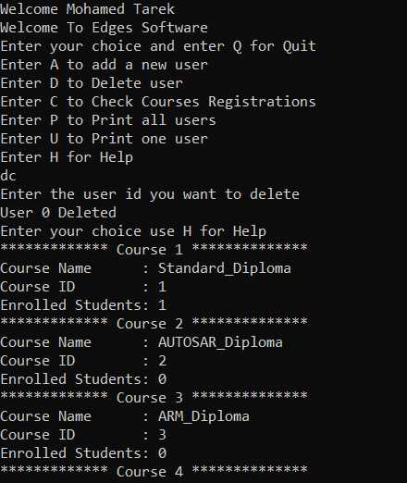
TC_Admin_Page_002 | Test Enter two characters instead of one
 | 2.1 | Enter UP | System should ask for id of user then print courses list | Software exhibited unexpected behavior | Failed | REQ2.1 | Exploratory Testing
 | 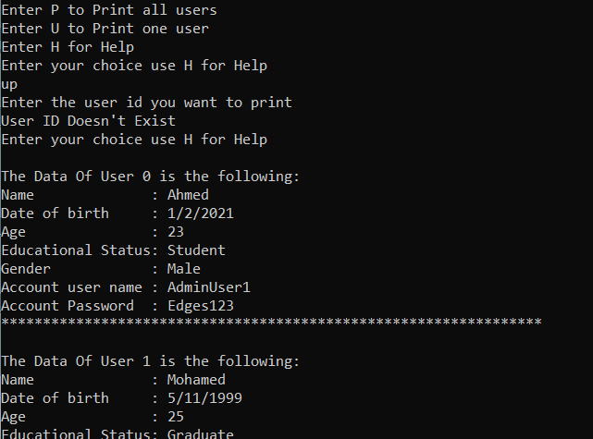
TC_Admin_Page_003 | Test Enter two characters instead of one
 | 3.1 | Enter AC | System should ask for user information then print courses list | Software exhibited unexpected behavior | Failed | REQ2.1 | Exploratory Testing
 | 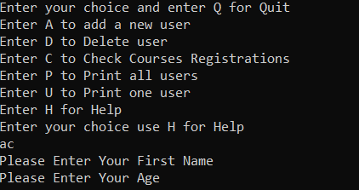

Pre Req. | 1. Open Main_App_Runner terminal 2. Enter 0 to act as Admin 3. Login and enter secret token 4. Choose D to delete user
TC_Delete_User_001 | Test user functionality with valid ID user
 | 1.1 | Enter 3 to delete User 3 | User would delete Successfully | User 3 deleted successfully | Pass | REQ2.1.b | Black Box technique
TC_Delete_User_002 | Test user functionality with invalid ID user
 | 1.1 | Enter 99 to enter invalid user | Deletion would fail because user does not exist | Deletion failled because user does not exist | Pass | REQ2.1.b | Black Box technique

Student page
Test Case ID | Steps | Action | Expected Result | Actual result | Status | Required ID | Technique used
Pre Req. | 1. Open Main_App_Runner terminal 2. Enter 1 to act as customer 3. Enter L to load Login page 4. Enter Username (AdminUser2) 5.Enter Password (Edges123456)
TC_Student_Page_001 | Test Changing Passaword functionality with valid password
 | 1.1 | Enter C to load changing password page | Software should load changing password page | Software loaded changing password page and asked for entering the current password | Pass | REQ2.2.b | Black Box technique
 | 1.2 | Enter current password (Edges123456) | Software should ask for the new password | Software asked for the new password | Pass
 | 1.3 | Enter the new password (Edges654321) | Software should ask for renter the new password | Software asked for renter the new password | Pass
 | 1.4 | Renter the new password (Edges654321) | Password should be canged successfully | Password had been changed successfully | Pass
 | 1.5 | Logout and login again with new password | Software should login Successfully | It logged in successfully | Pass
TC_Student_Page_002 | Test Changing Passaword functionality with invalid password
 | 2.1 | Enter C to load changing password page | Software should load changing password page | Software loaded changing password page and asked for entering the current password | Pass | REQ2.2.b | Black Box technique
 | 2.2 | Enter current password (Edges123456) | Software should ask for the new password | Software asked for the new password | Pass
 | 2.3 | Enter the new password (Ed) | Software should ask for renter the new password | Software asked for renter the new password | Pass
 | 2.4 | Renter the new password (Ed) | Password should not be canged | Password had been changed | Failed
 | 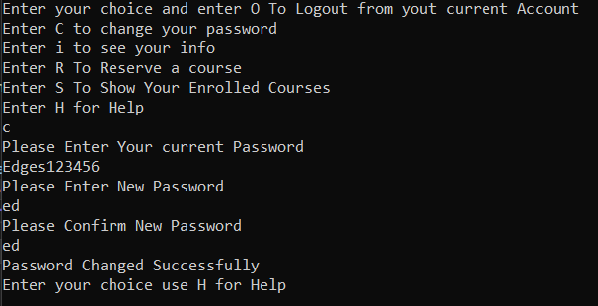
TC_Student_Page_003 | Test Changing Passaword functionality with Spaces
 | 3.1 | Enter C to load changing password page | Software should load changing password page | Software loaded changing password page and asked for entering the current password | Pass | REQ2.2.b | Black Box technique
 | 3.2 | Enter current password (Edges123456) | Software should ask for the new password | Software asked for the new password | Pass
 | 3.3 | Enter the new password (w w) | Software should not accept the new password | Software exhibited unexpected behavior and accepted the password | Failed
 | 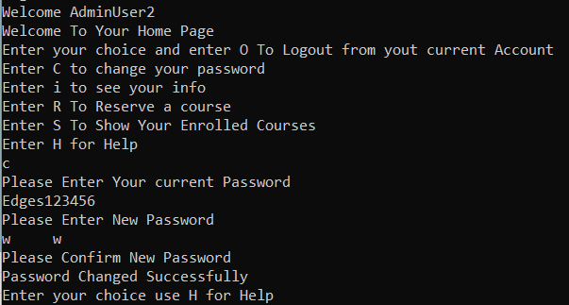

TC_Student_Page_004 | Test printing student information
 | 4.1 | Enter i to load Student information | Software should load Student information | Software loaded Student information successfully | Passed | REQ2.2.b | Black Box technique
TC_Student_Page_005 | Test printing list of student Enrolled Courses
 | 5.1 | Enter S to print list of student Enrolled Courses | Software should print list of student Enrolled Courses | Software printed list of student Enrolled Coursessuccessfully | Passed | REQ2.2.b | Black Box technique
TC_Student_Page_006 | Test Reserving a new course functionality
 | 6.1 | Enter R to load Reserving course page | Software should load the list of courses | Software loaded the list of courses | Pass | REQ2.2.b | Black Box technique
 | 6.2 | Enter Course ID (1) | Student should be enrolled successfully | Student has been enrolled successfully | Pass
 | 6.3 | Enter H to back to the main student page | Software should load the main student page | Software loaded the main student page | Pass
 | 6.4 | Enter S to ensure that the new course has been added | Course 1 should appear in the enrolled courses list | Course 1 has appeared in the enrolled courses list | Pass
TC_Student_Page_007 | Test Reserving a new course functionality
 | 7.1 | Enter R to load Reserving course page | Software should load the list of courses | Software loaded the list of courses | Pass | REQ2.2.b | Black Box technique
 | 7.2 | Enter Course ID (5) that student is already enrolled to | Software should not accept the enrollment process | Software printed "You Are Already Enrolled to this Course" | Pass
TC_Student_Page_008 | Test Reserving a new course functionality
 | 8.1 | Enter R to load Reserving course page | Software should load the list of courses | Software loaded the list of courses | Pass | REQ2.2.b | Black Box technique
 | 8.2 | Enter invalid Course ID (99) | Software should not accept the enrollment process | Software printed "Out of range Course Try again" | Pass
TC_Student_Page_009 | Test Logging out functionality
 | 9.1 | Enter O to logout | Software should logout from current user | It logged out successfully | Passed | REQ2.2.b | Black Box technique
TC_Student_Page_010 | Test enetring wrong input
 | 9.1 | Enter K | Software should not move to anthor window | Software printed"Wrong input try again" | Passed | REQ2.2.b | Black Box technique

